input_output_intervals
compositions of the input should be as followed
components compostion
glu, prot 0.2, 0.8
layer | process_intervals | lower_bound | upper_bound | input_price | output_price | components | composition
1 | carbon_input | 100 | 100 | 0.00001 | 0 | glu | 1
1 | protein | 0 | 100 | 0.00001 | 0 | casine | 1
3 | acetate | 0 | None | 0 | 1 | ace | 0
3 | propionate | 0 | None | 0 | 1 | prop | 0
3 | buytrate | 0 | None | 0 | 1 | but | 0

so cool ideas
1) error mesaging while reading the excel
2° could keep the interval names (in the code) as capital letters -> no replace conflicts no more
3° write ALL eqation to the objects, read the equations there in steady of making it messy

reactor_intervals
process_intervals | layer | interval_bounds | inputs | input_bounds | outputs | is_SBML | reaction_model | seperation_coef | has_waste | capital_investment | has_utility | utility_price
P_acidi_batch | 2 | [0,1000] | glu | 0 | ace,prop | 1 | PAC_4875_model.xml | [1,0];[0,1] | 0 | 100 | energy | 2
P_freu_batch | 2 | [0,1000] | glu | 0 | ace,prop | 1 | P_sherm_model.xml | [1,0];[0,1] | 0 | 100 | energy | 2
P_avi_batch | 2 | [0,1000] | glu | 0 | ace,prop | 1 | P_avidum_model.xml | [1,0];[0,1] | 0 | 100 | energy | 2
P_acn_batch | 2 | [0,1000] | glu | 0 | ace,prop | 1 | P_acnes_model.xml | [1,0];[0,1] | 0 | 100 | energy | 2
P_pro_batch | 2 | [0,1000] | glu | 0 | ace,prop | 1 | P_propionicum_model.xml | [1,0];[0,1] | 0 | 100 | energy | 2
open_fermentation | 2 | [0,1000] | glu, casine, pH | {'pH':[5,8]} | ace, prop, but | 0 | ace == glu*0.00213+pH*0.001+ 0.0002*casine , prop == glu*0.0008+pH*0.00012+0.0002*casine, but == glu*0.00343+pH*-0.007526 + 0.0002*casine | [1,0,0]; [0,1,0]; [0,0,1] | 0 | 100 | energy | 2

HOW SEPARATION WORKS
sep1 is first set of bounds sep2 second ect ect...
order of seperated compounds is order found in column OUTPUTS
eg: outputs = ace, lac , but
separation_coef = [1 0 0] ; [0 1 1]
then get a dictionarly like this:
{'sep1': {'ace': 1.0, 'lac': 1.0, 'but': 0.0},
'sep2': {'ace': 0.0, 'lac': 0.0, 'but: 1.0}}
HOW UTILITY WORKS
eg:
utilty = energy
price = 2 euro per kg produced in the reactor

connection_matrix
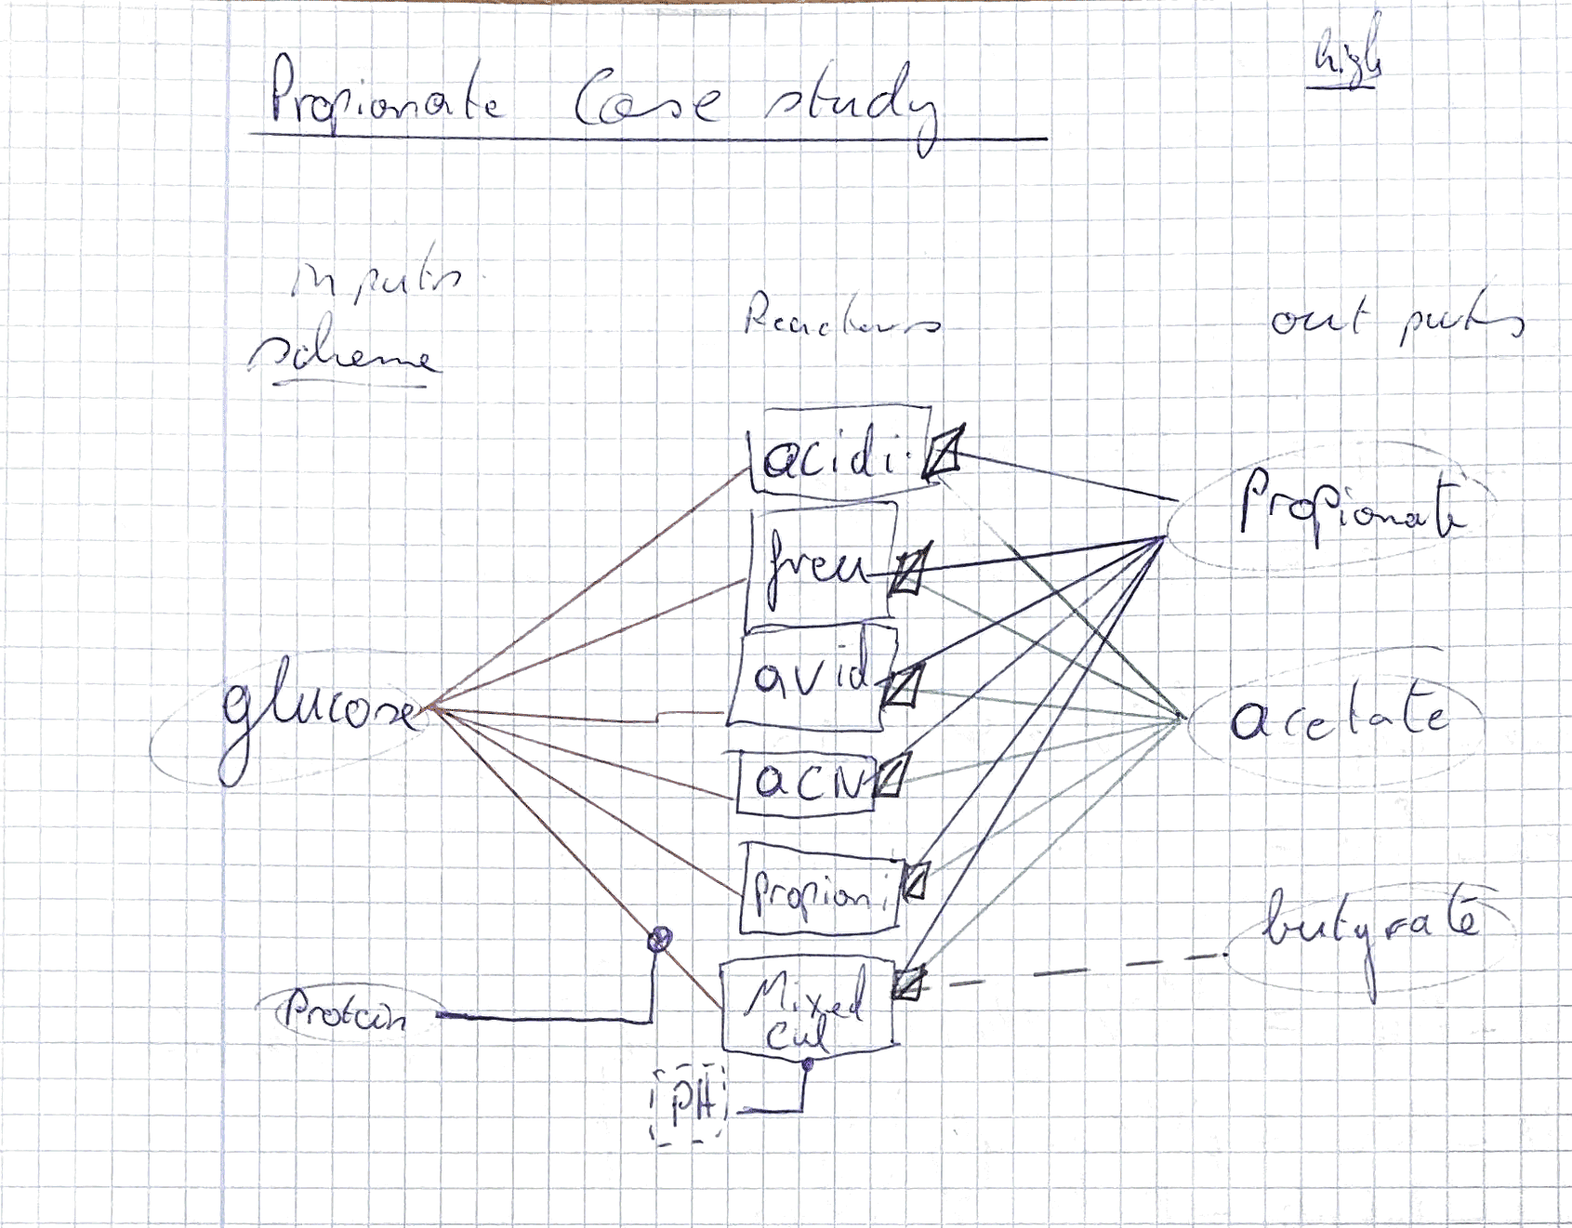
connect by looking at which streams connect to the next intervall (i.e wat are the reactor inputs and how are they connected to their outputs)
0 -> not connencted
1 -> connected
mix in the same colunm indiacte that the outputs of the intervals are mixed
sep_nr = define which seperation stream goes where
split_nr = define which split streqm goes where
options :
bool, split, sep 0 or 1
can be a combination
process_intervals | carbon_input | protein | P_acidi_batch | P_freu_batch | P_avi_batch | P_acn_batch | P_pro_batch | open_fermentation | acetate | propionate | buytrate
carbon_input | 0 | 0 | bool | bool | bool | bool | bool | bool | 0 | 0 | 0
protein | 0 | 0 | 0 | 0 | 0 | 0 | 0 | 1 | 0 | 0 | 0
P_acidi_batch | 0 | 0 | 0 | 0 | 0 | 0 | 0 | 0 | sep1 | sep2 | 0
P_freu_batch | 0 | 0 | 0 | 0 | 0 | 0 | 0 | 0 | sep1 | sep2 | 0
P_avi_batch | 0 | 0 | 0 | 0 | 0 | 0 | 0 | 0 | sep1 | sep2 | 0
P_acn_batch | 0 | 0 | 0 | 0 | 0 | 0 | 0 | 0 | sep1 | sep2 | 0
P_pro_batch | 0 | 0 | 0 | 0 | 0 | 0 | 0 | 0 | sep1 | sep2 | 0
open_fermentation | 0 | 0 | 0 | 0 | 0 | 0 | 0 | 0 | sep1 | sep2 | sep3
acetate | 0 | 0 | 0 | 0 | 0 | 0 | 0 | 0 | 0 | 0 | 0
propionate | 0 | 0 | 0 | 0 | 0 | 0 | 0 | 0 | 0 | 0 | 0
buytrate | 0 | 0 | 0 | 0 | 0 | 0 | 0 | 0 | 0 | 0 | 0

